Introduccion
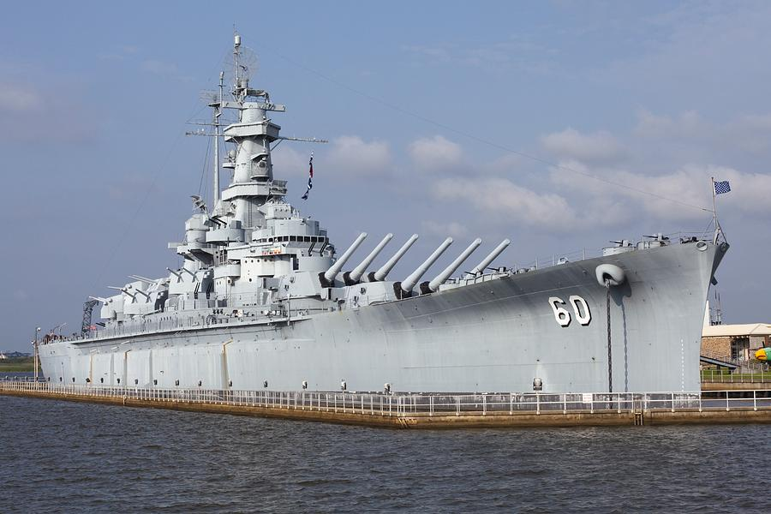

Picture

 | I

BEGIN

Blue- Setup
 | A | B | C | D | E | F | G | H | I | J
1 |  |  |  |  |  |  |  |  |  |  |  |  | QTY | SQ | CRAFT TYPE | CODE | USED
2 |  |  |  |  |  |  |  |  |  |  |  |  | 4 | 1 | SUB | S | 0 | 0
3 |  |  |  |  |  |  |  |  |  |  |  |  | 3 | 2 | DESTROYER | D | 0 | 0
4 |  |  |  |  |  |  |  |  |  |  |  |  | 2 | 3 | BATTLESHIP | B | 0 | 0
5 |  |  |  |  |  |  |  |  |  |  |  |  | 1 | 4 | AIRCRAFT CARRIER | A | 0 | 0
6
7
8 |  |  |  |  |  |  |  |  |  |  |  | MESSAGES
9
10 |  |  |  |  |  |  |  |  |  |  | O
MOVE TO GREEN

Green- Setup
 | A | B | C | D | E | F | G | H | I | J
1 |  |  |  |  |  |  |  |  |  |  |  |  | QTY | SQ | CRAFT TYPE | CODE | USED
2 |  |  |  |  |  |  |  |  |  |  |  |  | 4 | 1 | SUB | S | 0 | 0
3 |  |  |  |  |  |  |  |  |  |  |  |  | 3 | 2 | DESTROYER | D | 0 | 0
4 |  |  |  |  |  |  |  |  |  |  |  |  | 2 | 3 | BATTLESHIP | B | 0 | 0
5 |  |  |  |  |  |  |  |  |  |  |  |  | 1 | 4 | AIRCRAFT CARRIER | A | 0 | 0
6
7
8 |  |  |  |  |  |  |  |  |  |  |  | MESSAGES
9
10 |  |  |  |  |  |  |  |  |  |  | O
BLUE PLAYER BEGIN

Blue- Play
 | A | B | C | D | E | F | G | H | I | J |  | A | B | C | D | E | F | G | H | I | J
1 |  |  |  |  |  |  |  |  |  |  | 1
2 |  |  |  |  |  |  |  |  |  |  | 2
3 |  |  |  |  |  |  |  |  |  |  | 3
4 |  |  |  |  |  |  |  |  |  |  | 4
5 |  |  |  |  |  |  |  |  |  |  | 5
6 |  |  |  |  |  |  |  |  |  |  | 6
7 |  |  |  |  |  |  |  |  |  |  | 7
8 |  |  |  |  |  |  |  |  |  |  | 8
9 |  |  |  |  |  |  |  |  |  |  | 9
10 |  |  |  |  |  |  |  |  |  |  | 10
Green Player's turn

Green- Play
 | A | B | C | D | E | F | G | H | I | J |  | A | B | C | D | E | F | G | H | I | J
1 |  |  |  |  |  |  |  |  |  |  | 1
2 |  |  |  |  |  |  |  |  |  |  | 2
3 |  |  |  |  |  |  |  |  |  |  | 3
4 |  |  |  |  |  |  |  |  |  |  | 4
5 |  |  |  |  |  |  |  |  |  |  | 5
6 |  |  |  |  |  |  |  |  |  |  | 6
7 |  |  |  |  |  |  |  |  |  |  | 7
8 |  |  |  |  |  |  |  |  |  |  | 8
9 |  |  |  |  |  |  |  |  |  |  | 9
10 |  |  |  |  |  |  |  |  |  |  | 10
Blue Player's turn

